Wire Frame - Splash
 | Size | 320 X 460



Wgo
in Matsuyama City



Whats Going On

by Vmokshagroup.com

 | http://corp.softcoin.com/

Wire Frame - Login

Wgo
Matsuyama City

Wire Frame - Home
Wgo
in Matsuyama City

Issues
Settings
City Map

Wire Frame - Festival List
Wgo
 | Matsuyama City
 |  | 1 WED | UKAI (Cormorant Fishing) Jun'21 - Sep'13
Festivals July 2012 |  |  | The tradition of fishing with cormorants goes back
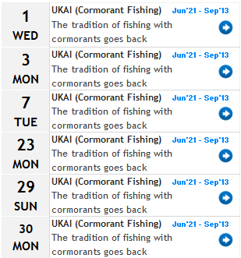
 |  | 3 MON | UKAI (Cormorant Fishing) Jun'21 - Sep'13
 |  |  | The tradition of fishing with cormorants goes back

 |  | 7 TUE | UKAI (Cormorant Fishing) Jun'21 - Sep'13
 |  |  | The tradition of fishing with cormorants goes back

 |  | 23 MON | UKAI (Cormorant Fishing) Jun'21 - Sep'13
 |  |  | The tradition of fishing with cormorants goes back

 |  | 29 SUN | UKAI (Cormorant Fishing) Jun'21 - Sep'13
 |  |  | The tradition of fishing with cormorants goes back

 |  | 30 MON | UKAI (Cormorant Fishing) Jun'21 - Sep'13
 |  |  | The tradition of fishing with cormorants goes back

Wire Frame - Festival Detail
Wgo
 | Matsuyama City

Ukai (Cormorant Fishing) |  | UKAI (Cormorant Fishing) On the Hiji-kawa (river) In Ozu City

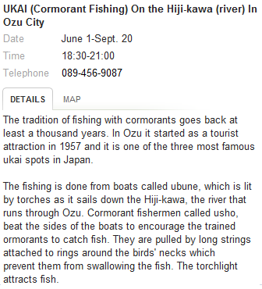
 |  | Date | June 1-Sept. 20
 |  | Time | 18:30-21:00
 |  | Telephone | 089-456-9087

 |  | The tradition of fishing with cormorants goes back at least a thousand years. In Ozu it started as a tourist attraction in 1957 and it is one of the three most famous ukai spots in Japan. The fishing is done from boats called ubune, which is lit by torches as it sails down the Hiji-kawa, the river that runs through Ozu. Cormorant fishermen called usho, beat the sides of the boats to encourage the trained ormorants to catch fish. They are pulled by long strings attached to rings around the birds' necks which prevent them from swallowing the fish. The torchlight attracts fish. You can watch this from special sightseeing boats called yakatabune. A meal is served while on the yakatabune. The fare is as follows:

